ICD-10 Code Reference
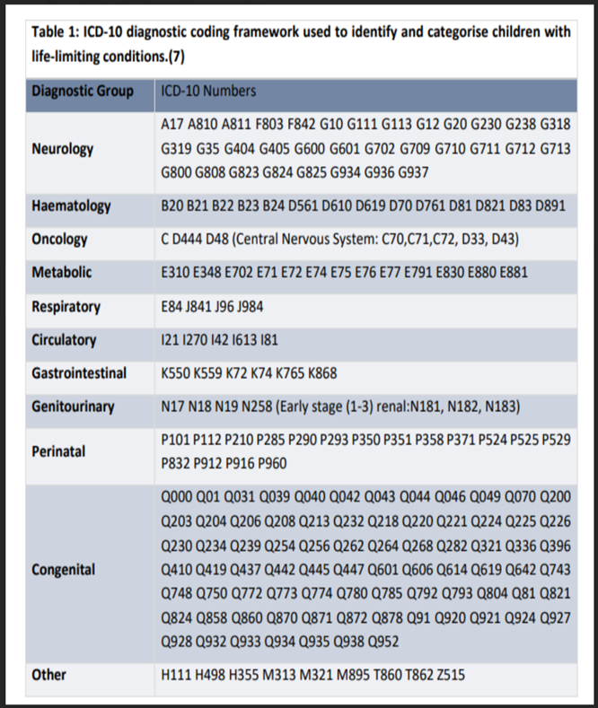
Adult primary diagnoses |  | Children life-limiting conditions
Full ICD-10 Codes | SNOWMED / QOF CODE
Cancer | Cancer
Lip, oral cavity and pharynx (C00-C14) | SNOMED: 271323007, 255069008 CTV3 (QOF): X78ej, XE2rk, XE1wx, X78ek, B0zz, B0yx, B0z
Digestive organs, incl colon, rectum, stomach, liver, gallbladder, pancreas (C15-C26) | SNOMED: 255077007, 275266006, 94313005 CTV3 (QOF): Byu1, B1z, XM1MM, ByuC4
Respiratory and intrathoracic organs, incl lung (C30-C39) | SNOMED: 428100006, 93841009 CTV3 (QOF): XE1vZ, X78g0, B2z, B26
Bone, skin, mesothelial & soft tissue, thyroid or endocrine (C40-C49, C73-C75) | SNOMED: 255068000, 271467005, 363478007 CTV3 (QOF): X78ei, XE2vO, B3z, B3y, B53
Breast (C50) | SNOMED: 372064008 CTV3 (QOF): B34
Female genital organs (C51-C58) | SNOMED: 109878000, 363514001 CTV3 (QOF): Byu72, Byu71, Byu7, B45
Male genital organs, incl prostate (C60-C63) | SNOMED: 109874003, 363515000 CTV3 (QOF): Byu81, B48y2, Byu80, Byu8, B48
Urinary tract (C64-C68) | SNOMED: 419052002, 94663008 CTV3 (QOF): X78it, X78ks
Brain, eye and other CNS (C69-C72) | SNOMED: 372062007, 276826005, 428061005, 363473003, 94225005 CTV3 (QOF): ByuA, Xa0Dp, XE2vS, B517, B5830
Unknown primary or other unspecified (C76-C80) | SNOMED: 255052006, 285604008, 285613005, 285618001, 302817000, 307226002 CTV3 (QOF): X78e9, Xa3A5, Xa3AE, Xa3AJ, Xa97z, XaB1p
Lymphoid & haematopoietic (C81-C96) | SNOMED: 118600007, 188725004 CTV3 (QOF): B62z, B64
Independent multiple sites (C97) | SNOMED: 188478004 CTV3 (QOF): B592

Non-cancer | Non-cancer
HIV/AIDS (B20-B24) | SNOMED: 111880001, 165816005, 86406008 CTV3 (QOF): AyuC, A789, X70M6
Motor neurone disease (G12) | SNOMED: 37340000 CTV3 (QOF): F152
Dementia including Alzheimer's (G30, F00-F03) | SNOMED: 52448006, 26929004 CTV3 (QOF): X002w, F110
Neurological conditions (excluding MND and Alzheimer's) (G00-G99, excl G12/G30) | SNOMED: [Too varied to define] CTV3 (QOF): [Too varied to define]
Diabetes mellitus (E10-E14) | SNOMED: 73211009, 44054006, 46635009 CTV3 (QOF): C10
Heart failure, stroke and other heart & circulatory (I00-I99) | SNOMED: 84114007, 230690007 CTV3 (QOF): G58, G64
Chronic respiratory disease (J40-J70) | SNOMED: 13645005 CTV3 (QOF): H3
Liver failure, chronic liver disease, other non-malignant liver disease (K70-K77) | SNOMED: 59927004, 235886005 CTV3 (QOF): X3076
Chronic renal failure (N18) | SNOMED: 14669001 CTV3 (QOF): K04
All other non-cancer diagnoses (everything not included above) | SNOMED: [Too varied to define] CTV3 (QOF): [Too varied to define]

